상품제안서
[쇼트즈위젤] 와인글라스+다딴다 전동 와인오프너 세트 | 상품코드: F30391

 |  | 02-412-0044 | www.easy1.co.kr
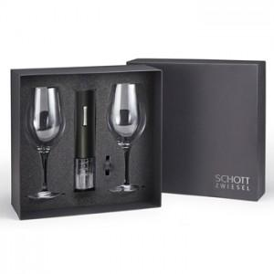

【상세/제작정보】 | <p><span style="background-color: rgb(255, 255, 255); color: rgb(51, 51, 51); font-family: &quot;Nanum Gothic&quot;, sans-serif;">* 오프너 인쇄비용&nbsp;:&nbsp;100개&nbsp;이상&nbsp;-&nbsp;무료</span></p><p><span style="background-color: rgb(255, 255, 255); color: rgb(51, 51, 51); font-family: &quot;Nanum Gothic&quot;, sans-serif;">&nbsp; &nbsp; &nbsp; &nbsp; &nbsp; &nbsp; &nbsp; &nbsp; &nbsp; &nbsp; &nbsp; &nbsp; &nbsp; 100개&nbsp;이하&nbsp;- 6만원&nbsp;추가</span>&nbsp;</p><p><span style="background-color: rgb(255, 255, 255); color: rgb(51, 51, 51); font-family: &quot;Nanum Gothic&quot;, sans-serif;"></span><span style="background-color: rgb(255, 255, 255); color: rgb(51, 51, 51); font-family: &quot;Nanum Gothic&quot;, sans-serif;">*&nbsp;건전지포함&nbsp;(벡셀AA-4개)</span></p><p><span style="background-color: rgb(255, 255, 255); color: rgb(51, 51, 51); font-family: &quot;Nanum Gothic&quot;, sans-serif;"></span><span style="background-color: rgb(255, 255, 255); color: rgb(51, 51, 51); font-family: &quot;Nanum Gothic&quot;, sans-serif;">*&nbsp;쇼핑백: 2000원</span></p><p><span style="background-color: rgb(255, 255, 255); color: rgb(51, 51, 51); font-family: &quot;Nanum Gothic&quot;, sans-serif;">* 배송비 1box10개: 6000원​</span><span style="background-color: rgb(255, 255, 255); color: rgb(51, 51, 51); font-family: &quot;Nanum Gothic&quot;, sans-serif;">​</span></p>

【인쇄/포장옵션】 | 레이저 / 포장지포장

【공급단가】 | 수량
*VAT별도 | 단가

【상품 URL】 | https://dev.easy1.co.kr:443/src/goods_detail.php?gdno=30391

